Q.No4 SQL code
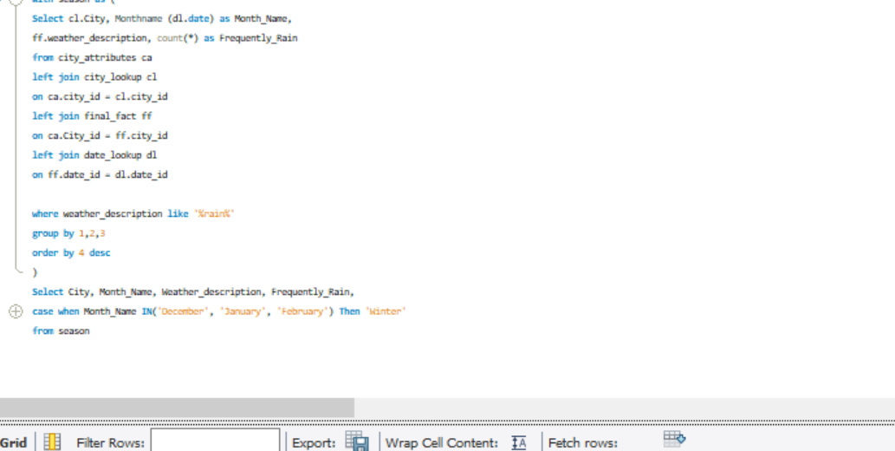
Q.No:4 | Identify the top three cities with the most frequent occurrence of rainy weather based on weather descriptions. What are the seasonal patterns?

Q-6
Q.No:6 | Explore the impact of wind direction on temperature for coastal cities. Are there noticeable patterns?
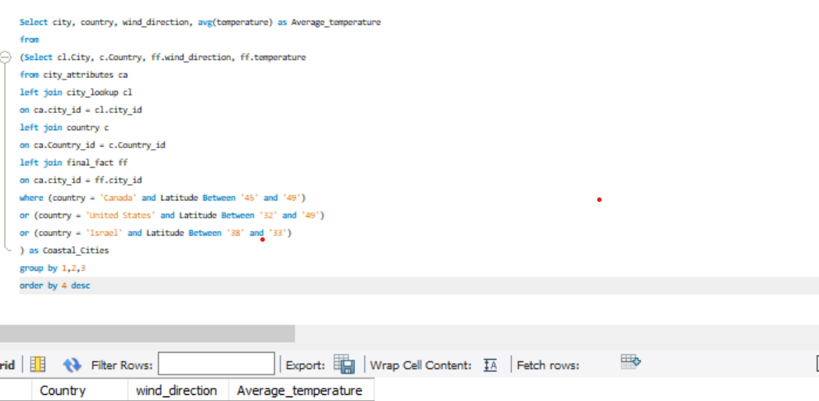

 | As per my Analysis -
 | Due to Sea breeze & land Breeze impact -We have high temperature in non Coastal cities and with low wind direction impact in Pheonix a US based City

Q.12
Q.no :12 | Analyze the impact of temperature on energy consumption patterns in cities. Are there noticeable trends or correlations?

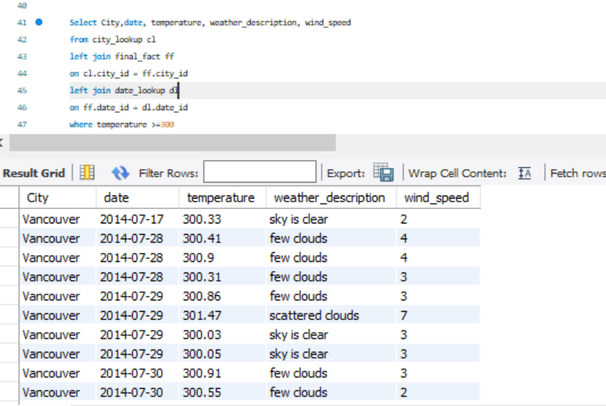

 |  | Energy consumption patterns will be more where kelvin is greater than 300 +, Vancouver has greater than 300+ energy consumption hence it has high consumption pattern

Q.14
Q.No :14 | Identify cities prone to strong winds and the potential consequences, such as increased risk of natural disasters or challenges for transportation.

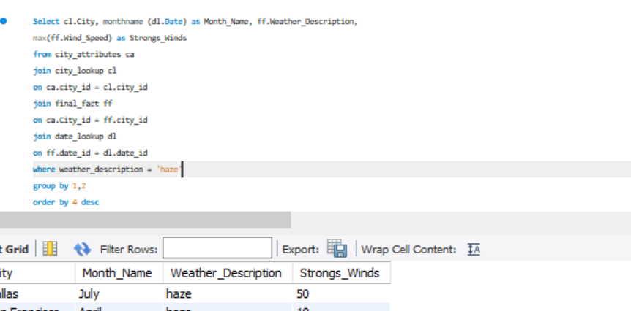
 | City | Month_Name | Weather_Description | Strongs_Winds
 | Dallas | July | haze | 50
 | San Francisco | April | haze | 19
 | San Francisco | May | haze | 19
 | Las Vegas | May | haze | 19
 | Toronto | January | haze | 19
 | Las Vegas | March | haze | 19
 | Phoenix | August | haze | 18
 | San Francisco | June | haze | 17
 | Los Angeles | April | haze | 17
 | Las Vegas | April | haze | 17
 | Las Vegas | November | haze | 16
 | Los Angeles | March | haze | 16
 | San Francisco | October | haze | 15
 | Las Vegas | October | haze | 15
 | San Diego | June | haze | 15
 | Houston | August | haze | 15 | Row Labels | Sum of Strongs_Winds | Highlighted Cities are increased strong wind potential cities
 | Minneapolis | January | haze | 15 | Vancouver | 89
 | Jacksonville | September | haze | 15 | Toronto | 96
 | Las Vegas | July | haze | 15 | Tel Aviv District | 61
 | San Francisco | December | haze | 14 | Seattle | 81
 | Boston | October | haze | 14 | San Francisco | 161
 | Phoenix | July | haze | 14 | San Diego | 98
 | Los Angeles | May | haze | 14 | San Antonio | 105
 | Montreal | January | haze | 14 | Saint Louis | 87
 | San Francisco | March | haze | 14 | Portland | 61
 | Albuquerque | May | haze | 14 | Pittsburgh | 71
 | San Antonio | December | haze | 13 | Phoenix | 105
 | Dallas | December | haze | 13 | Philadelphia | 90
 | Chicago | December | haze | 13 | New York | 90
 | Chicago | May | haze | 13 | Nashville | 78
 | Indianapolis | December | haze | 13 | Nahariyya | 43
 | Toronto | December | haze | 13 | Montreal | 87
 | Miami | September | haze | 13 | Minneapolis | 110
 | Phoenix | May | haze | 13 | Miami | 95
 | Philadelphia | March | haze | 13 | Los Angeles | 110
 | Tel Aviv District | January | haze | 13 | Las Vegas | 150
 | Montreal | March | haze | 13 | Kansas City | 86
 | Albuquerque | March | haze | 13 | Jerusalem | 35
 | Houston | December | haze | 12 | Jacksonville | 112
 | Montreal | February | haze | 12 | Indianapolis | 71
 | Eilat | January | haze | 12 | Houston | 118
 | Albuquerque | June | haze | 12 | Haifa | 43
 | Vancouver | November | haze | 12 | Eilat | 114
 | Nashville | December | haze | 12 | Detroit | 80
 | San Francisco | November | haze | 11 | Denver | 97
 | Seattle | October | haze | 11 | Dallas | 142
 | Los Angeles | November | haze | 11 | Chicago | 114
 | San Antonio | November | haze | 11 | Charlotte | 60
 | Chicago | November | haze | 11 | Boston | 92
 | San Francisco | July | haze | 11 | Atlanta | 66
 | Denver | April | haze | 11 | Albuquerque | 81
 | Houston | January | haze | 11 | Grand Total | 3179
 | Eilat | May | haze | 11
 | San Diego | February | haze | 11
 | San Antonio | May | haze | 11
 | Chicago | January | haze | 11
 | Jacksonville | March | haze | 11
 | Minneapolis | April | haze | 11
 | Jacksonville | August | haze | 11
 | San Francisco | February | haze | 11
 | Boston | March | haze | 11
 | San Francisco | August | haze | 11
 | Atlanta | March | haze | 11
 | Las Vegas | February | haze | 11
 | Miami | March | haze | 11
 | San Antonio | March | haze | 11
 | Albuquerque | October | haze | 11
 | Pittsburgh | March | haze | 11
 | Los Angeles | December | haze | 10
 | Minneapolis | October | haze | 10
 | Jacksonville | November | haze | 10
 | Miami | October | haze | 10
 | New York | December | haze | 10
 | San Francisco | September | haze | 10
 | Houston | May | haze | 10
 | Chicago | September | haze | 10
 | Detroit | January | haze | 10
 | Boston | February | haze | 10
 | Nahariyya | January | haze | 10
 | San Antonio | July | haze | 10
 | Houston | March | haze | 10
 | Jacksonville | April | haze | 10
 | Eilat | April | haze | 10
 | Denver | September | haze | 10
 | Saint Louis | January | haze | 10
 | Minneapolis | February | haze | 10
 | Phoenix | April | haze | 10
 | Eilat | August | haze | 10
 | San Diego | March | haze | 10
 | Chicago | February | haze | 10
 | Haifa | January | haze | 10
 | Chicago | April | haze | 10
 | Dallas | February | haze | 10
 | Kansas City | March | haze | 10
 | Miami | January | haze | 10
 | New York | January | haze | 10
 | Eilat | June | haze | 10
 | Phoenix | September | haze | 10
 | Toronto | February | haze | 10
 | Phoenix | December | haze | 9
 | Houston | November | haze | 9
 | Minneapolis | November | haze | 9
 | Minneapolis | December | haze | 9
 | Nashville | November | haze | 9
 | Philadelphia | October | haze | 9
 | Montreal | November | haze | 9
 | Eilat | October | haze | 9
 | Eilat | December | haze | 9
 | Albuquerque | September | haze | 9
 | Dallas | May | haze | 9
 | Dallas | March | haze | 9
 | Houston | April | haze | 9
 | Chicago | July | haze | 9
 | Jacksonville | June | haze | 9
 | Pittsburgh | January | haze | 9
 | San Francisco | January | haze | 9
 | Los Angeles | August | haze | 9
 | Denver | January | haze | 9
 | Houston | September | haze | 9
 | Kansas City | July | haze | 9
 | Minneapolis | August | haze | 9
 | Saint Louis | March | haze | 9
 | New York | June | haze | 9
 | Seattle | November | haze | 9
 | Detroit | February | haze | 9
 | Detroit | May | haze | 9
 | Eilat | March | haze | 9
 | Houston | July | haze | 9
 | Houston | February | haze | 9
 | Minneapolis | May | haze | 9
 | Nashville | March | haze | 9
 | San Antonio | April | haze | 9
 | Dallas | April | haze | 9
 | Chicago | March | haze | 9
 | Saint Louis | May | haze | 9
 | Philadelphia | May | haze | 9
 | Boston | September | haze | 9
 | Philadelphia | January | haze | 9
 | Eilat | July | haze | 9
 | New York | March | haze | 9
 | Phoenix | March | haze | 9
 | Eilat | September | haze | 9
 | Jacksonville | February | haze | 9
 | Seattle | April | haze | 9
 | Vancouver | December | haze | 9
 | Las Vegas | January | haze | 9
 | Las Vegas | June | haze | 9
 | San Diego | December | haze | 8
 | Denver | October | haze | 8
 | Dallas | October | haze | 8
 | Houston | October | haze | 8
 | Kansas City | November | haze | 8
 | Saint Louis | October | haze | 8
 | Saint Louis | November | haze | 8
 | Detroit | December | haze | 8
 | Jacksonville | October | haze | 8
 | Miami | November | haze | 8
 | Eilat | November | haze | 8
 | Seattle | August | haze | 8
 | Denver | December | haze | 8
 | San Antonio | January | haze | 8
 | Jacksonville | July | haze | 8
 | Philadelphia | February | haze | 8
 | Haifa | March | haze | 8
 | Portland | January | haze | 8
 | Denver | August | haze | 8
 | Philadelphia | April | haze | 8
 | Eilat | February | haze | 8
 | Vancouver | August | haze | 8
 | Jacksonville | May | haze | 8
 | Miami | February | haze | 8
 | Toronto | July | haze | 8
 | Vancouver | July | haze | 8
 | Portland | August | haze | 8
 | New York | April | haze | 8
 | Las Vegas | September | haze | 8
 | Kansas City | February | haze | 8
 | Minneapolis | September | haze | 8
 | Boston | January | haze | 8
 | Denver | July | haze | 8
 | Denver | February | haze | 8
 | Denver | May | haze | 8
 | Nashville | January | haze | 8
 | Denver | June | haze | 8
 | Nahariyya | March | haze | 8
 | Haifa | December | haze | 8
 | Kansas City | January | haze | 8
 | Nahariyya | December | haze | 8
 | Jerusalem | November | haze | 8
 | Miami | May | haze | 8
 | Vancouver | March | haze | 8
 | Pittsburgh | February | haze | 8
 | Albuquerque | August | haze | 8
 | Seattle | December | haze | 7
 | San Diego | November | haze | 7
 | Kansas City | December | haze | 7
 | Saint Louis | December | haze | 7
 | Chicago | October | haze | 7
 | Atlanta | November | haze | 7
 | Detroit | November | haze | 7
 | Jacksonville | December | haze | 7
 | Miami | December | haze | 7
 | Pittsburgh | December | haze | 7
 | Toronto | November | haze | 7
 | New York | October | haze | 7
 | Boston | December | haze | 7
 | San Diego | July | haze | 7
 | San Diego | August | haze | 7
 | San Diego | April | haze | 7
 | San Antonio | June | haze | 7
 | Dallas | August | haze | 7
 | Toronto | September | haze | 7
 | Philadelphia | November | haze | 7
 | Tel Aviv District | June | haze | 7
 | San Diego | May | haze | 7
 | San Diego | January | haze | 7
 | Dallas | September | haze | 7
 | Nashville | April | haze | 7
 | Dallas | June | haze | 7
 | Minneapolis | March | haze | 7
 | Montreal | July | haze | 7
 | Seattle | March | haze | 7
 | Minneapolis | July | haze | 7
 | New York | May | haze | 7
 | New York | September | haze | 7
 | Vancouver | October | haze | 7
 | Saint Louis | February | haze | 7
 | Indianapolis | February | haze | 7
 | San Antonio | February | haze | 7
 | Boston | May | haze | 7
 | Jerusalem | March | haze | 7
 | Seattle | May | haze | 7
 | Montreal | September | haze | 7
 | Indianapolis | January | haze | 7
 | Tel Aviv District | March | haze | 7
 | Vancouver | June | haze | 7
 | Houston | June | haze | 7
 | Indianapolis | October | haze | 7
 | Kansas City | September | haze | 7
 | Detroit | March | haze | 7
 | Vancouver | April | haze | 7
 | Dallas | January | haze | 7
 | Pittsburgh | August | haze | 7
 | Tel Aviv District | May | haze | 7
 | Charlotte | May | haze | 7
 | Portland | November | haze | 6
 | San Diego | October | haze | 6
 | Las Vegas | December | haze | 6
 | Phoenix | November | haze | 6
 | San Antonio | October | haze | 6
 | Dallas | November | haze | 6
 | Kansas City | October | haze | 6
 | Nashville | October | haze | 6
 | Charlotte | November | haze | 6
 | Toronto | October | haze | 6
 | Philadelphia | December | haze | 6
 | Montreal | December | haze | 6
 | Boston | November | haze | 6
 | Los Angeles | July | haze | 6
 | Los Angeles | September | haze | 6
 | San Diego | September | haze | 6
 | Jacksonville | January | haze | 6
 | New York | February | haze | 6
 | Los Angeles | June | haze | 6
 | Los Angeles | January | haze | 6
 | Albuquerque | July | haze | 6
 | Denver | November | haze | 6
 | Kansas City | June | haze | 6
 | Kansas City | April | haze | 6
 | Saint Louis | June | haze | 6
 | Saint Louis | July | haze | 6
 | Saint Louis | September | haze | 6
 | Atlanta | August | haze | 6
 | Seattle | July | haze | 6
 | San Antonio | September | haze | 6
 | Detroit | July | haze | 6
 | New York | July | haze | 6
 | Portland | April | haze | 6
 | Minneapolis | June | haze | 6
 | Chicago | August | haze | 6
 | Charlotte | October | haze | 6
 | Miami | April | haze | 6
 | Seattle | January | haze | 6
 | Philadelphia | September | haze | 6
 | Charlotte | September | haze | 6
 | Montreal | June | haze | 6
 | Philadelphia | July | haze | 6
 | Vancouver | May | haze | 6
 | Kansas City | May | haze | 6
 | Detroit | June | haze | 6
 | Boston | August | haze | 6
 | San Antonio | August | haze | 6
 | Montreal | August | haze | 6
 | Saint Louis | April | haze | 6
 | Indianapolis | March | haze | 6
 | Las Vegas | August | haze | 6
 | Nashville | June | haze | 6
 | New York | August | haze | 6
 | Tel Aviv District | December | haze | 6
 | Toronto | May | haze | 6
 | Boston | June | haze | 6
 | Tel Aviv District | February | haze | 6
 | Vancouver | September | haze | 6
 | Phoenix | February | haze | 6
 | Toronto | April | haze | 6
 | Albuquerque | December | haze | 6
 | Jerusalem | February | haze | 6
 | Vancouver | February | haze | 6
 | Indianapolis | May | haze | 6
 | Los Angeles | October | haze | 5
 | Phoenix | October | haze | 5
 | Atlanta | October | haze | 5
 | Charlotte | December | haze | 5
 | New York | November | haze | 5
 | Chicago | June | haze | 5
 | Atlanta | April | haze | 5
 | Atlanta | June | haze | 5
 | Atlanta | July | haze | 5
 | Charlotte | July | haze | 5
 | Pittsburgh | July | haze | 5
 | Vancouver | January | haze | 5
 | Nashville | July | haze | 5
 | Detroit | September | haze | 5
 | Boston | July | haze | 5
 | Portland | February | haze | 5
 | Detroit | April | haze | 5
 | Pittsburgh | May | haze | 5
 | Toronto | August | haze | 5
 | Philadelphia | August | haze | 5
 | Nahariyya | April | haze | 5
 | Charlotte | August | haze | 5
 | Atlanta | September | haze | 5
 | Indianapolis | July | haze | 5
 | Atlanta | May | haze | 5
 | Miami | July | haze | 5
 | Seattle | September | haze | 5
 | Indianapolis | April | haze | 5
 | Atlanta | January | haze | 5
 | Nahariyya | February | haze | 5
 | Indianapolis | August | haze | 5
 | Charlotte | February | haze | 5
 | Miami | August | haze | 5
 | Kansas City | August | haze | 5
 | Haifa | April | haze | 5
 | Portland | July | haze | 5
 | Denver | March | haze | 5
 | Pittsburgh | April | haze | 5
 | Portland | December | haze | 5
 | Nashville | May | haze | 5
 | Haifa | February | haze | 5
 | Saint Louis | August | haze | 5
 | Toronto | March | haze | 5
 | Portland | October | haze | 4
 | Indianapolis | November | haze | 4
 | Pittsburgh | October | haze | 4
 | Pittsburgh | November | haze | 4
 | Montreal | October | haze | 4
 | Los Angeles | February | haze | 4
 | Tel Aviv District | July | haze | 4
 | Philadelphia | June | haze | 4
 | Nashville | September | haze | 4
 | Portland | September | haze | 4
 | Detroit | October | haze | 4
 | Detroit | August | haze | 4
 | Charlotte | June | haze | 4
 | Portland | June | haze | 4
 | Charlotte | March | haze | 4
 | Miami | June | haze | 4
 | Charlotte | April | haze | 4
 | Toronto | June | haze | 4
 | Tel Aviv District | November | haze | 4
 | Portland | March | haze | 4
 | Nashville | February | haze | 4
 | Atlanta | December | haze | 4
 | Indianapolis | June | haze | 3
 | Charlotte | January | haze | 3
 | Montreal | May | haze | 3
 | Tel Aviv District | April | haze | 3
 | Phoenix | January | haze | 3
 | Pittsburgh | June | haze | 3
 | Seattle | June | haze | 3
 | Indianapolis | September | haze | 3
 | Atlanta | February | haze | 3
 | Nashville | August | haze | 3
 | Jerusalem | June | haze | 3
 | Pittsburgh | September | haze | 3
 | Jerusalem | April | haze | 3
 | Boston | April | haze | 3
 | Seattle | February | haze | 3
 | Jerusalem | May | haze | 2
 | Haifa | May | haze | 2
 | Haifa | July | haze | 2
 | Nahariyya | November | haze | 2
 | Nahariyya | July | haze | 2
 | Jerusalem | July | haze | 2
 | Portland | May | haze | 2
 | Jerusalem | September | haze | 2
 | Tel Aviv District | August | haze | 2
 | Phoenix | June | haze | 2
 | Haifa | November | haze | 2
 | Nahariyya | May | haze | 2
 | Tel Aviv District | September | haze | 2
 | Albuquerque | April | haze | 2
 | Haifa | October | haze | 1
 | Jerusalem | October | haze | 1
 | Jerusalem | January | haze | 1
 | Nahariyya | October | haze | 1
 | Tel Aviv District | October | haze | 0
 | Nahariyya | June | haze | 0
 | Haifa | June | haze | 0

